Script
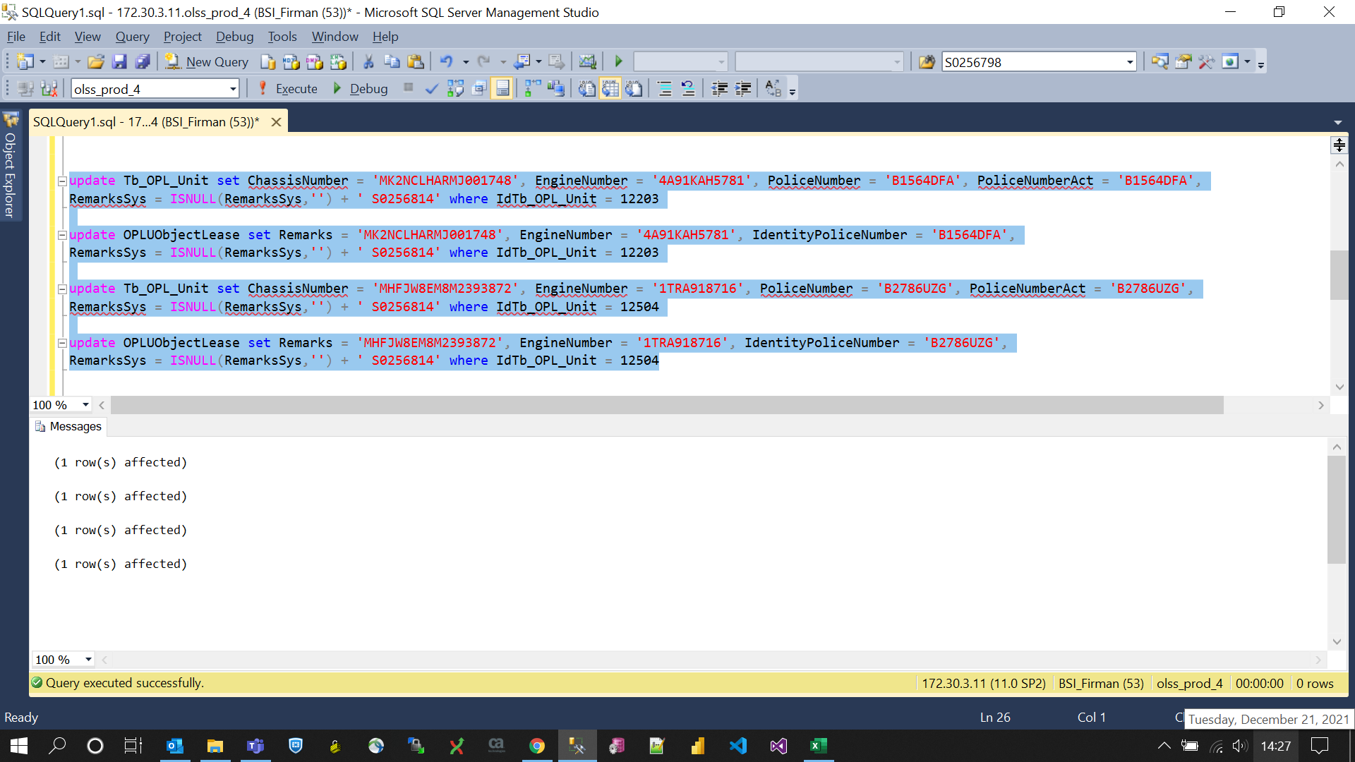
update Tb_OPL_Unit set ChassisNumber = 'MK2NCLHARMJ001748', EngineNumber = '4A91KAH5781', PoliceNumber = 'B1564DFA', PoliceNumberAct = 'B1564DFA',
RemarksSys = ISNULL(RemarksSys,'') + ' S0256814' where IdTb_OPL_Unit = 12203

update OPLUObjectLease set Remarks = 'MK2NCLHARMJ001748', EngineNumber = '4A91KAH5781', IdentityPoliceNumber = 'B1564DFA',
RemarksSys = ISNULL(RemarksSys,'') + ' S0256814' where IdTb_OPL_Unit = 12203

update Tb_OPL_Unit set ChassisNumber = 'MHFJW8EM8M2393872', EngineNumber = '1TRA918716', PoliceNumber = 'B2786UZG', PoliceNumberAct = 'B2786UZG',
RemarksSys = ISNULL(RemarksSys,'') + ' S0256814' where IdTb_OPL_Unit = 12504

update OPLUObjectLease set Remarks = 'MHFJW8EM8M2393872', EngineNumber = '1TRA918716', IdentityPoliceNumber = 'B2786UZG',
RemarksSys = ISNULL(RemarksSys,'') + ' S0256814' where IdTb_OPL_Unit = 12504

Screenshot
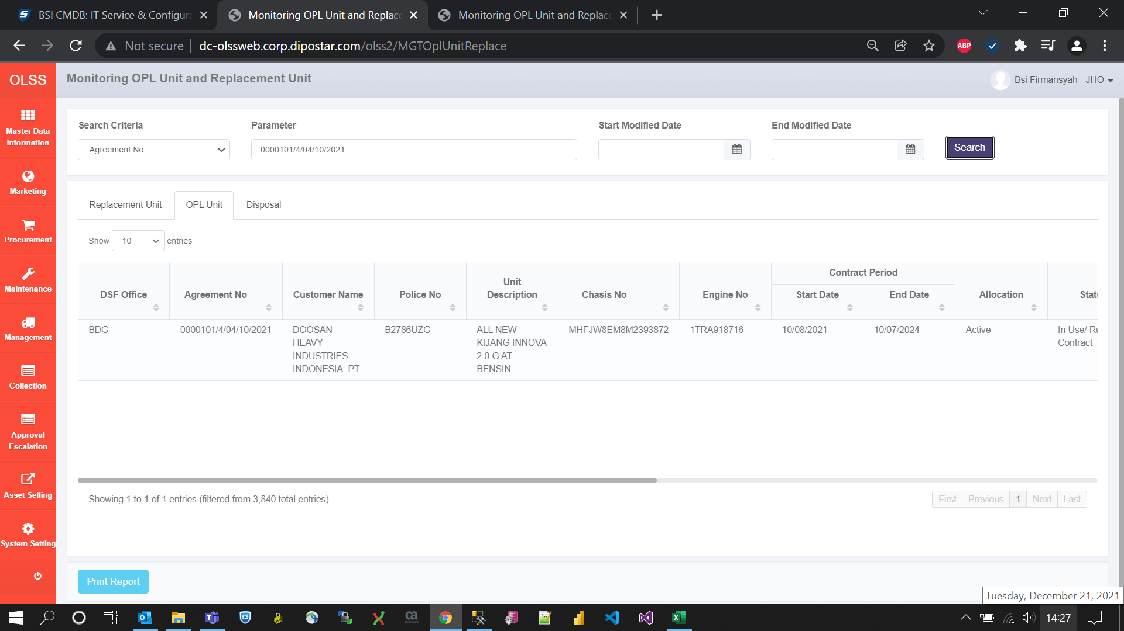
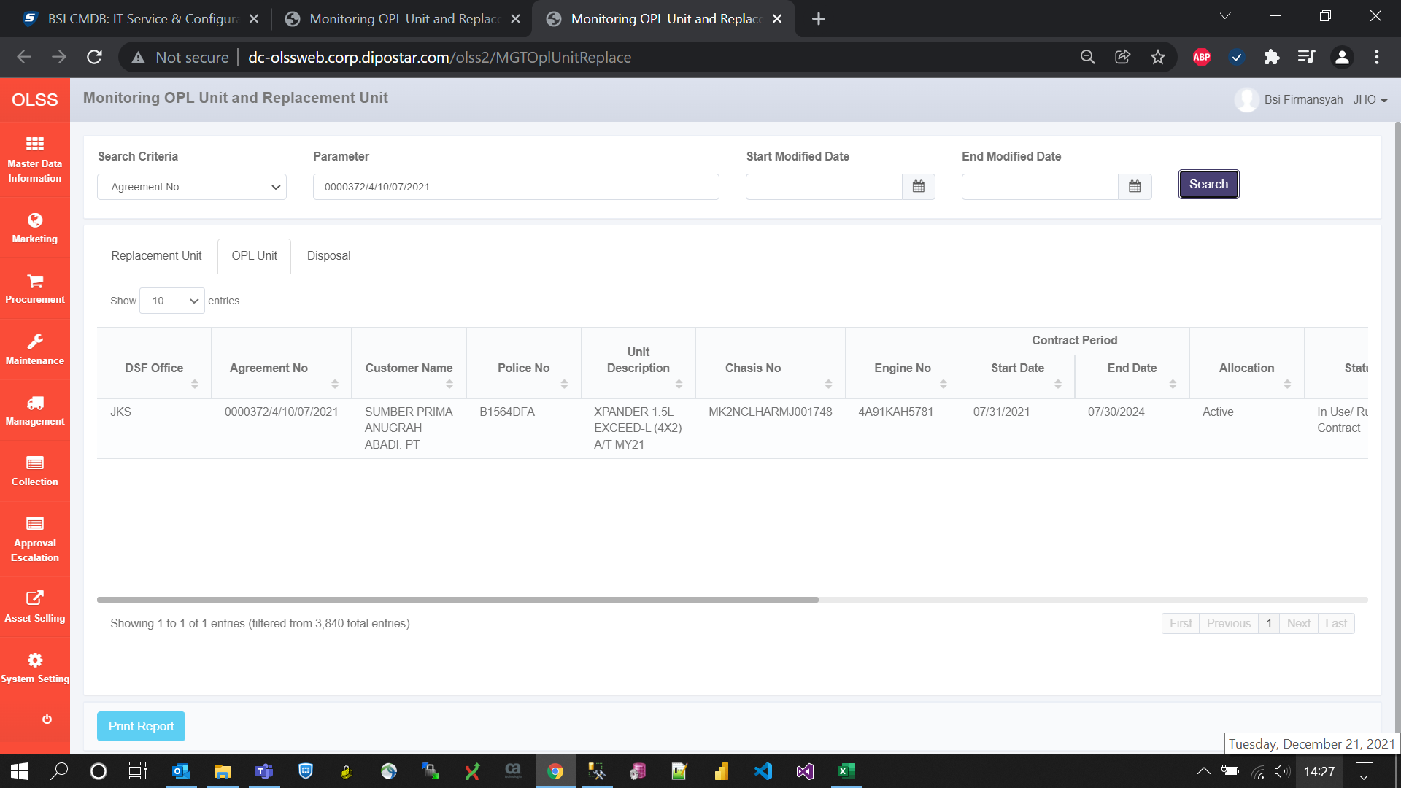
BEFORE
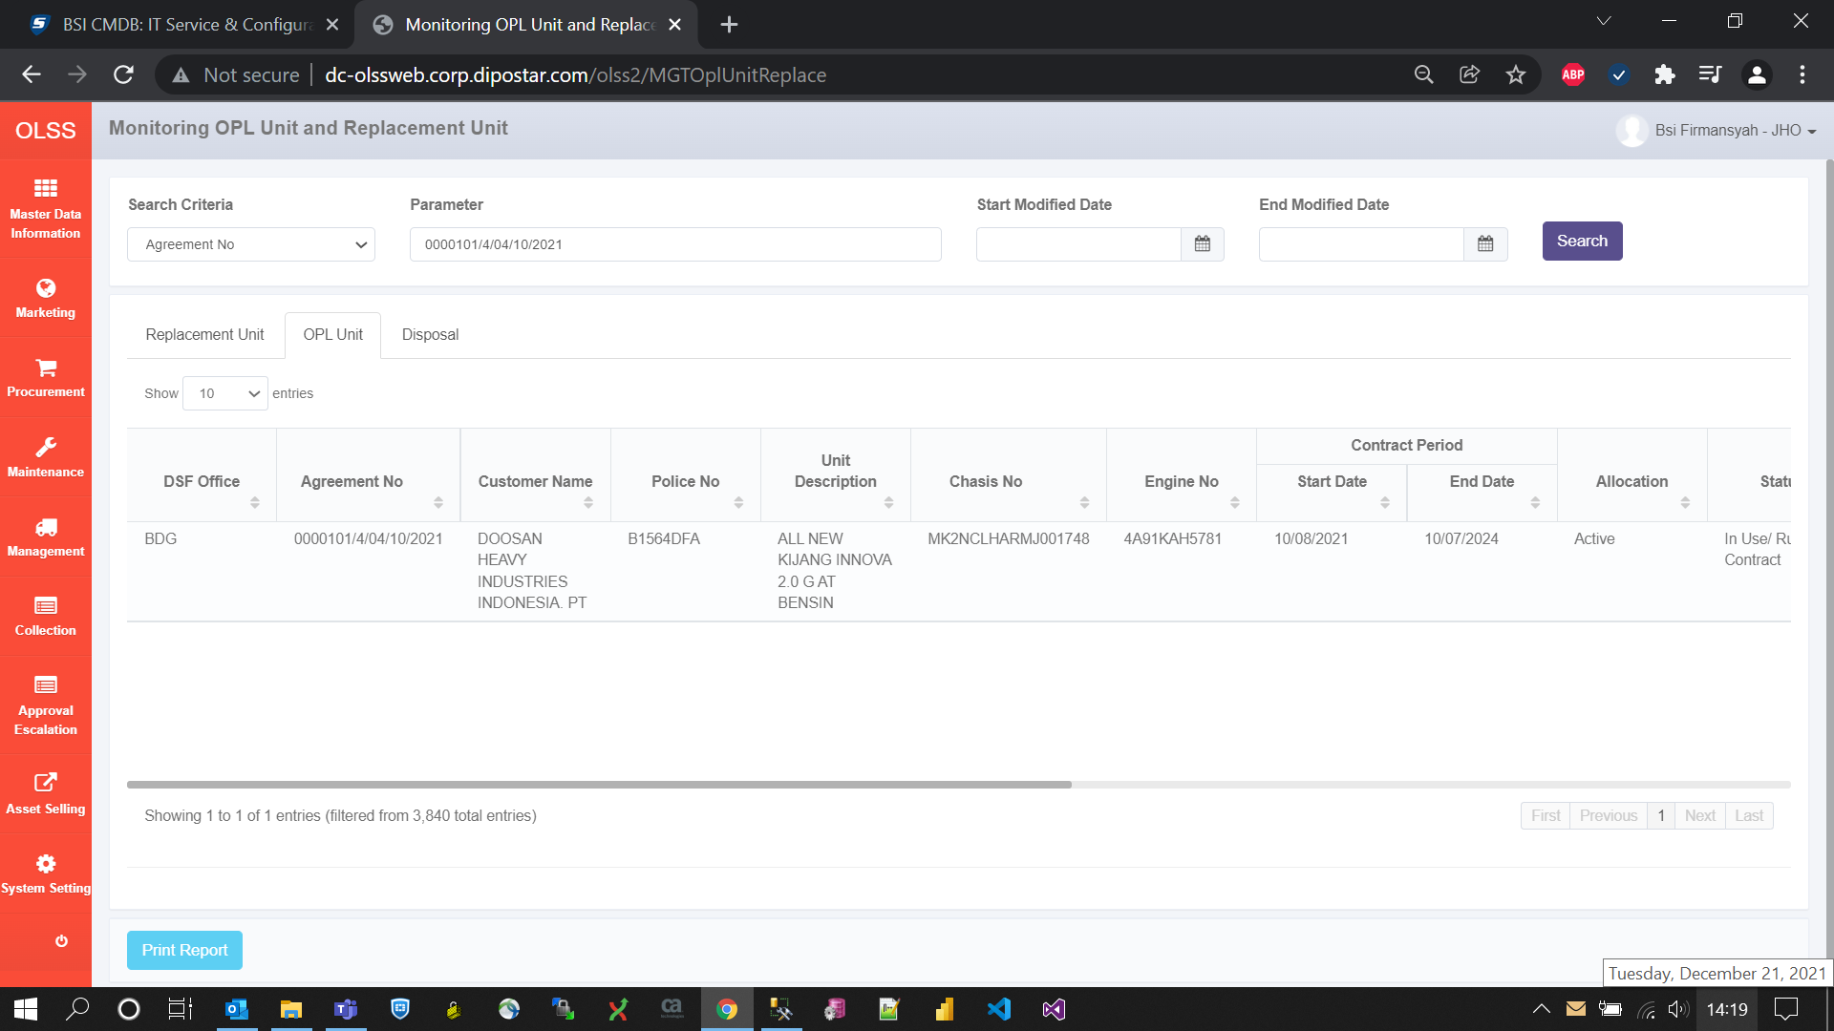


AFTER

